Feuil1
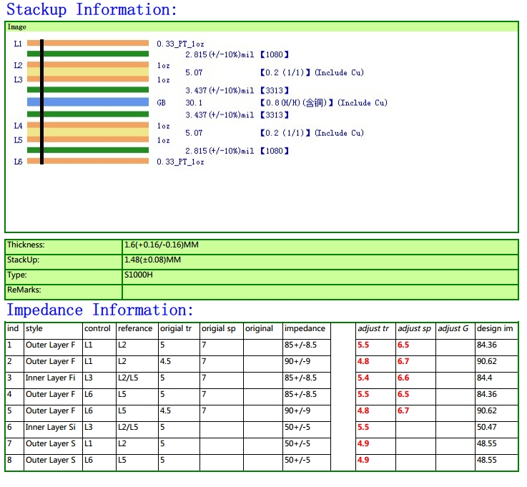
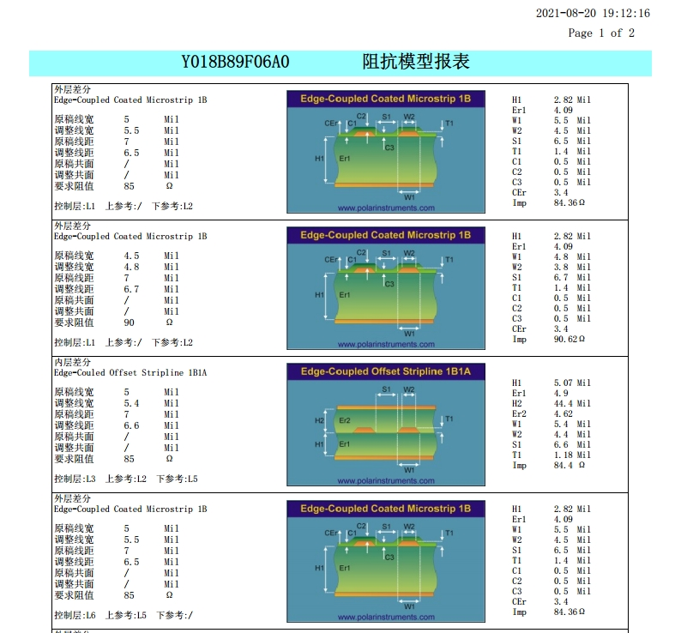
Layers | 6
Board thickness | 1.60
Material | KB-6160
Finish | NiAu
Vernis épargne | yes
Serigraphy | yes
Width | 32mm
Length | 150mm
Gold finger | yes

